FUNCTIONS REQUIREMENTS
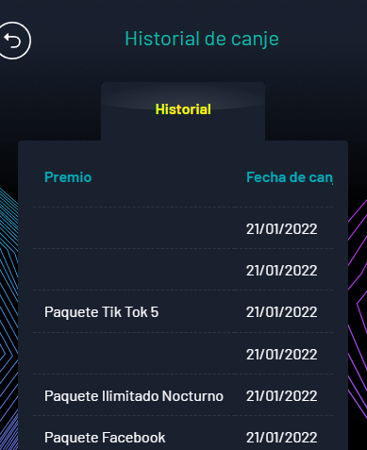
BITEL GIFTSHOP REQUIREMENTS AND FUNCTIONS FOR PHASE 2
LINK GIFTSHOP: https://regalos.bitel.com.pe/inicio

Functions requirements:
Systems and other functions
> Send SMS to Giftshop customers (customers who access Giftshop website) with promotions
> Integration to Bitel Webservices to validate prepaid and postpaid customer, SMS, Bitel's customer data and other requirements
> Integration to Bitel's Billing system for the packages/ suscriptions charge like MPS

Preview Section

Develop a section that will serve as the first view to the user who enters Giftshop website. This is to improve SEO on Google. This page must delivers customer to the Giftshop's actual tabs.
All the images, banners and text must be editable from Dashboard (CMS).
This section will replace current login section (see image) and must have the following contents.
> Banner Section
> Login button when customer clicks it show up a loggin pop up
> Ruleta section: This section will show a sneak peek of Giftshop Roulette tab with some images and short description text. Must have a button which redirects customer to Roulette tab previous login
> Prizes Section: This section will show a sneak peek of the Prizes and Packages that customers can exchange. This section will show some images and a short description text. Must have a button which redirects customer to Roulette Home previous login.
> How to Earn Coins section: This section will show a sneak peek of How to Earn coins tab with some images and short description text. Must have a button which redirects customer to the tab previous login
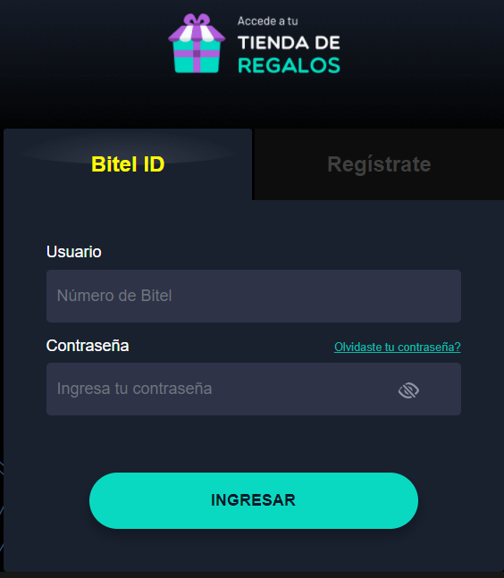

Home Section

> Enable a roulette widget, where the customer clicks and is directed to the "Play Roulette" tab. The widget must accompany the customer when he moves through all the web sections, except the "Jugar Ruleta section"
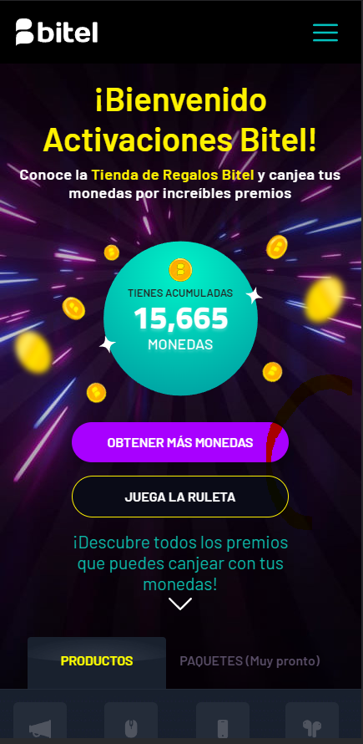

WIDGET

> Develop a tab to manage packages types, like products already have on Giftshop home. This must be editable on Dashboard
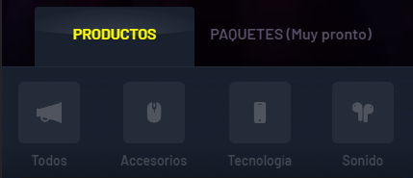

> Enable the chance customer can win Megas on Giftshop Roulette. This megas will charge automatically to the MSISDN (customer cellphone number)
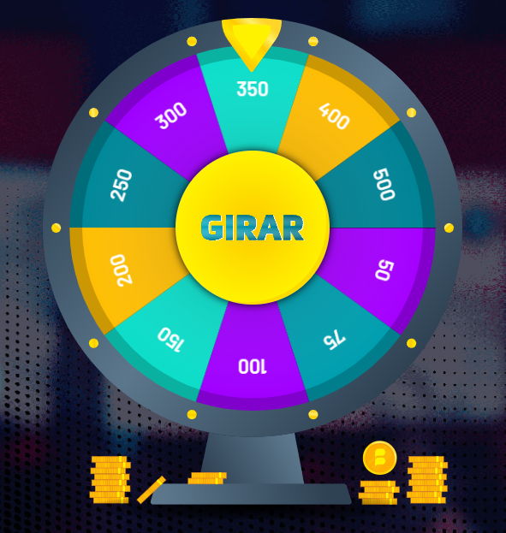

250 MB

500 MB

> Implement section to purchase roulette opportunities with coins. Now customer can buy coins by balance

300 COINS
100 COINS

500 COINS
1000 COINS

> Enable logic per customer depending on how many times played roulette in order to win roulette prizes. Bigger prizes -> low probability, lower prizes-> high probability

> Develop a double opt-in validation to purchase Roulette opportunitties (purchases by money and coins)
Double opt- in Validation Flow
1. Customer clicks purchase opportunittie to spin
2. A pop up show to customer with the details of the number of opportunittie to spin, the price, the information that it will be charged from customer mobile balance
3. Must be a button to Agree with the purchase
4. Customer clicks the button
5. The purchase of the opportunittie proceed if the the customer has mobile balance
5. The purchase of the opportunittie do not proceed, if the the customer has not mobile balance

New Section - History Coins

> Develop a tab to view the history of coins earned with the date when it was earned and the date when it will expire (according to Bitel policies). Enable a search engine where the customers can filter by month and view the coins they earned and their expiration date. Similar to "Historial de canje" whic is a section on Giftshop website

